Sheet1
No | Type | Part Number | Brand | Description | Application Summary | Vehicle W/o Engine | Vehicle W/ Engine | OEM | Picture | Url
1 | Wheel Cylinder | W37425 | Dorman - First Stop | Drum Brake Wheel Cylinder | BMW 2002 1976-69, BMW 2002ti 1971-69, BMW 2002tii 1974-71 | BMW 2002 1969-1976 BMW 2002ti 1969-1971 BMW 2002tii 1971-1974 | BMW 2002 1969-1976 BMW 2002ti 1969-1971 BMW 2002tii 1971-1974 | 34 21 1 101 760 | 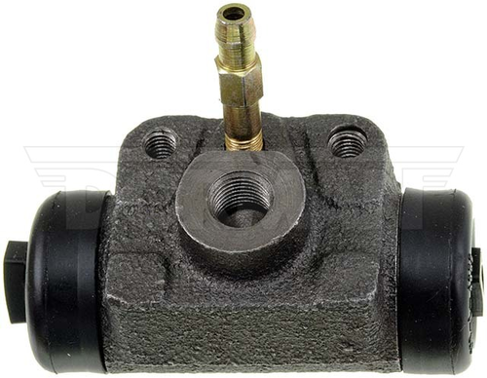 | https://www.dormanproducts.com/p-9421-w37425.aspx?origin=keyword
2 | Wheel Cylinder | W72258 | Dorman - First Stop | Drum Brake Wheel Cylinder | Edsel 1959-58, Ford 1958-57, International 1973-68, 1949-41, Mercury 1960-57 | Edsel Bermuda 1958 Edsel Citation 1958 Edsel Corsair 1958-1959 Edsel Pacer 1958 Edsel Ranger 1958-1959 Edsel Roundup 1958 Edsel Villager 1958-1959 Ford Anglia 1957-1958 Ford Club 1957-1958 Ford Consul 1957-1958 Ford Country Sedan 1957-1958 Ford Country Squire 1957-1958 Ford Custom 1957 Ford Custom 300 1957-1958 Ford Del Rio Wagon 1957-1958 Ford Escort 1957-1958 Ford Fairlane 1957-1958 Ford Prefect 1957-1958 Ford Ranch Wagon 1957-1958 Ford Skyliner 1957-1958 Ford Squire 1957-1958 Ford Sunliner 1957-1958 Ford Taunus 1957-1958 Ford Thunderbird 1958 Ford Victoria 1957-1958 Ford Zephyr 1957-1958 Ford Zodiac 1957-1958 International 1000C 1968 International 1000D 1969-1970 International 1010 1971-1973 International 3KM 1941-1949 Mercury Colony Park 1957-1960 Mercury Commuter 1957-1960 Mercury Country Cruiser 1959 Mercury Medalist 1957-1958 Mercury Montclair 1957-1960 Mercury Monterey 1957-1960 Mercury Park Lane 1958-1959 Mercury Turnpike Cruiser 1957 Mercury Voyager 1957-1959 | Edsel Bermuda 1958 Edsel Citation 1958 Edsel Corsair 1958-1959 Edsel Pacer 1958 Edsel Ranger 1958-1959 Edsel Roundup 1958 Edsel Villager 1958-1959 Ford Anglia 1957-1958 Ford Club 1957-1958 Ford Consul 1957-1958 Ford Country Sedan 1957-1958 Ford Country Squire 1957-1958 Ford Custom 1957 Ford Custom 300 1957-1958 Ford Del Rio Wagon 1957-1958 Ford Escort 1957-1958 Ford Fairlane 1957-1958 Ford Prefect 1957-1958 Ford Ranch Wagon 1957-1958 Ford Skyliner 1957-1958 Ford Squire 1957-1958 Ford Sunliner 1957-1958 Ford Taunus 1957-1958 Ford Thunderbird 1958 Ford Victoria 1957-1958 Ford Zephyr 1957-1958 Ford Zodiac 1957-1958 International 1000C 1968 International 1000D 1969-1970 International 1010 1971-1973 International 3KM 1941-1949 Mercury Colony Park 1957-1960 Mercury Commuter 1957-1960 Mercury Country Cruiser 1959 Mercury Medalist 1957-1958 Mercury Montclair 1957-1960 Mercury Monterey 1957-1960 Mercury Park Lane 1958-1959 Mercury Turnpike Cruiser 1957 Mercury Voyager 1957-1959 | 2620822;5461510;B7A-2061-A;C9AZ-2061-A;D2AZ-2061-B | 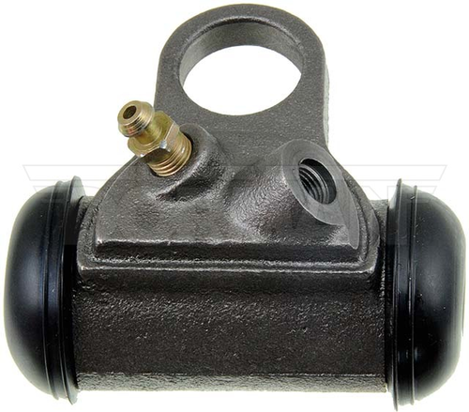 | https://www.dormanproducts.com/p-21537-w72258.aspx?origin=keyword
3 | Wheel Cylinder | W610165 | Dorman - First Stop | Drum Brake Wheel Cylinder | Volkswagen 2014-11, 2007-94 | Volkswagen Clasico (Mexico) 2011-2014 Volkswagen Golf 1996-1999 Volkswagen Jetta 1996-1999 Volkswagen Pointer 1994-1997 Volkswagen Pointer Truck 1994-1997 Volkswagen Polo (Mexico) 2003-2007 Volkswagen Polo Classic 1997-2002 | Volkswagen Clasico (Mexico) 2011-2014 Rear Drum Brakes; Mexico Region Volkswagen Golf 1996-1999 L4 121 2.0L (1984cc) Volkswagen Jetta 1996-1999 L4 121 2.0L (1984cc) Volkswagen Pointer 1994-1997 Mexico Region Volkswagen Pointer Truck 1994-1997 Mexico Region Volkswagen Polo (Mexico) 2003-2007 Mexico Region Volkswagen Polo Classic 1997-2002 | 1H0 611 053 | 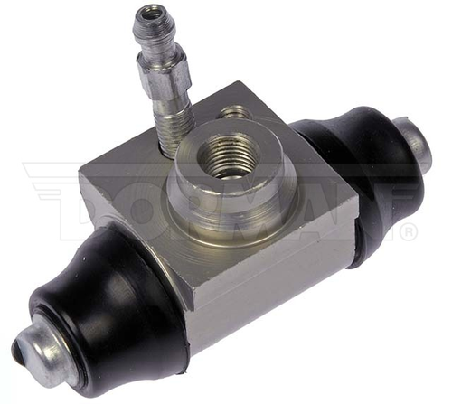 | https://www.dormanproducts.com/p-50659-w610165.aspx?origin=keyword
4 | Wheel Cylinder | W610150 | Dorman - First Stop | Drum Brake Wheel Cylinder | Nissan Tiida 2018-13, 2010-08, Nissan Versa 2011-08 | Nissan Tiida (Mexico) 2008-2018 Nissan Versa 2008-2011 | Nissan Tiida (Mexico) 2008-2018 4-Wheel ABS; Mexico Region Nissan Tiida (Mexico) 2010-2016 Mexico Region Nissan Tiida (Mexico) 2013 Hatchback; Mexico Region Nissan Tiida (Mexico) 2013-2014 Sedan; Mexico Region Nissan Versa 2008 4-Wheel ABS Nissan Versa 2009-2011 4-Wheel ABS; L4 98 1.6L (1598cc) | 44100-ED010 | 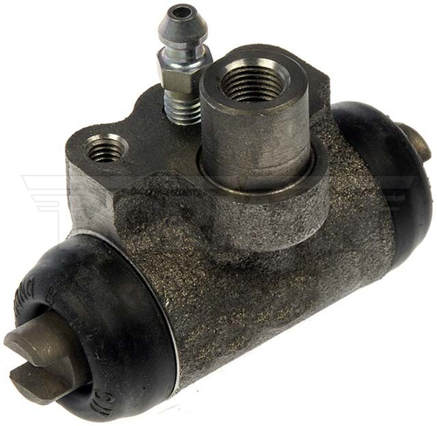 | https://www.dormanproducts.com/p-47833-w610150.aspx?origin=keyword
5 | Wheel Cylinder | W610166 | Dorman - First Stop | Drum Brake Wheel Cylinder | Chrysler 1995-90, Dodge 2002-84, Ford 2011-03, Jeep 2006-90, Mazda 2010, Plymouth 1995-84 | Chrysler Grand Voyager (Mexico) 1991-1995 Chrysler Town and Country 1990-1995 Chrysler Voyager (Mexico) 1994-1995 Chrysler Voyager 1991-1993 Dodge Caravan 1984-1995 Dodge Dakota 1987-2002 Dodge Grand Caravan 1987-1995 Dodge Mini Ram 1984-1988 Ford Ranger 2003-2011 Jeep Cherokee 1990-1996 Jeep Comanche 1990-1992 Jeep TJ 1997-2006 Jeep Wagoneer 1990 Jeep Wrangler 1997-2006 Mazda B2300 2010 Mazda B4000 2010 Plymouth Grand Voyager 1988-1995 Plymouth Voyager 1984-1995 | Chrysler Grand Voyager (Mexico) 1991-1995 Mexico Region Chrysler Town and Country 1990 Chrysler Town and Country 1992-1995 FWD Chrysler Voyager (Mexico) 1994-1995 Mexico Region Chrysler Voyager 1991-1993 Mexico Region Dodge Caravan 1984-1990 Dodge Caravan 1991-1993 FWD Dodge Caravan 1994 Non-ABS; FWD Dodge Caravan 1995 Non-ABS Dodge Dakota 1987-1988 RWD Dodge Dakota 1989-2002 Dodge Grand Caravan 1987-1990 Dodge Grand Caravan 1991-1993 FWD Dodge Grand Caravan 1994-1995 Non-ABS; FWD Dodge Mini Ram 1984-1988 Ford Ranger 2003-2011 Jeep Cherokee 1990 Jeep Cherokee 1991-1996 4-Wheel ABS Jeep Comanche 1990-1992 Jeep TJ 1997-2006 Jeep Wagoneer 1990 Jeep Wrangler 1997-2000 4-Wheel ABS Jeep Wrangler 2001-2006 Mazda B2300 2010 Mazda B4000 2010 Plymouth Grand Voyager 1988-1990 Plymouth Grand Voyager 1991-1993 FWD Plymouth Grand Voyager 1994-1995 Non-ABS; FWD Plymouth Voyager 1984-1990 Plymouth Voyager 1991-1993 FWD Plymouth Voyager 1994-1995 Non-ABS | 1F60-26-610;1F60-26-610A;2L5Z-2262-CA;2L5Z-2262-CB;4313056;E0ZZ-2261-A;E0ZZ-2262-A | 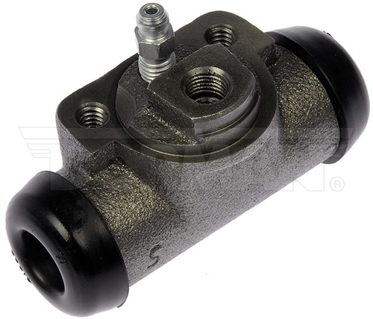 | https://www.dormanproducts.com/p-50424-w610166.aspx?origin=keyword
6 | Wheel Cylinder | W37635 | Dorman - First Stop | Drum Brake Wheel Cylinder | Chevrolet 2002-98, Toyota 2019-18, 2002-83 | Chevrolet Prizm 1998-2002 Toyota Camry 1983-1986 Toyota Celica 1986-2002 Toyota Corolla 1984-2002 Toyota Tercel 1984-1987 Toyota Yaris 2018-2019 | Chevrolet Prizm 1998-2002 4-Wheel ABS Toyota Camry 1983-1986 Toyota Celica 1986-2002 Toyota Celica 1988-1989 FWD Toyota Corolla 1984-1985 Hatchback Toyota Corolla 1984-1985 Sedan Toyota Corolla 1988-1992 Wagon; FWD Toyota Corolla 1998-2002 4-Wheel ABS Toyota Tercel 1984-1987 Wagon; FWD Toyota Yaris 2018-2019 | 47550-02040;47550-02070;47550-20101;47550-20130;47550-20140;47550-20141;47550-20150;47550-20180;47550-32010;47550-39285;94857026;94859278 | 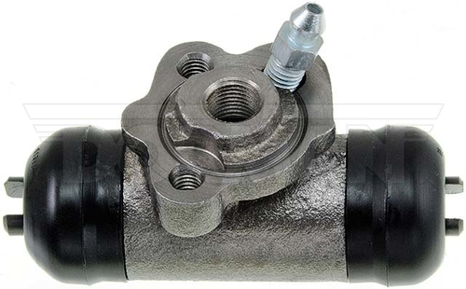 | https://www.dormanproducts.com/p-9423-w37635.aspx?origin=keyword
7 | Wheel Cylinder | W19235 | Dorman - First Stop | Drum Brake Wheel Cylinder | American Motors 1961-59, Packard 1957, Studebaker 1964-58 | American Motors American 1959 American Motors Classic 1961 American Motors Rambler 1959-1960 American Motors Rebel 1960 Packard Clipper 1957 Studebaker 3E1 1958 Studebaker 3E11 1958 Studebaker 3E5 1958 Studebaker 3E6 1958 Studebaker 4E1 1959 Studebaker 4E11 1959 Studebaker 4E3 1959 Studebaker 6E10 1961 Studebaker 6E5 1960-1961 Studebaker 7E10 1962 Studebaker 7E5 1962 Studebaker 8E10 1963-1964 Studebaker 8E5 1963-1964 | American Motors American 1959 American Motors Classic 1961 American Motors Rambler 1959-1960 American Motors Rebel 1960 Packard Clipper 1957 Studebaker 3E1 1958 Studebaker 3E11 1958 Studebaker 3E5 1958 Studebaker 3E6 1958 Studebaker 4E1 1959 Studebaker 4E11 1959 Studebaker 4E3 1959 Studebaker 6E10 1961 Studebaker 6E5 1960-1961 Studebaker 7E10 1962 Studebaker 7E5 1962 Studebaker 8E10 1963-1964 Studebaker 8E5 1963-1964 | 3156424;3161372;535584;5463005 | 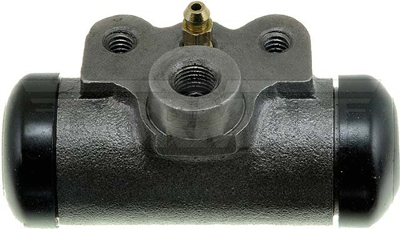 | https://www.dormanproducts.com/p-25698-w19235.aspx?origin=keyword
8 | Wheel Cylinder | W37872 | Dorman - First Stop | Drum Brake Wheel Cylinder | Nissan D21 1994-88, Nissan Frontier 2015, 2004-98, Nissan Pickup 1997-90 | Nissan D21 1988-1994 Nissan Frontier 1998-2015 Nissan Pickup (Mexico) 1990-1994 Nissan Pickup 1995-1997 | Nissan D21 1988-1992 RWD; L4 2.4L (2389cc) Nissan D21 1992 RWD; V6 181 3.0L (2960cc) Nissan D21 1993-1994 RWD Nissan Frontier 1998-1999 RWD Nissan Frontier 2000 RWD; L4 2.4L (2389cc) Nissan Frontier 2001-2004 L4 2.4L (2389cc) Nissan Frontier 2015 Mexico Region Nissan Pickup (Mexico) 1990-1994 RWD; Mexico Region Nissan Pickup 1995-1997 RWD | 44100-08G11;44100-08G13;44100-8B500;44100-8Z500;44100EB70A | 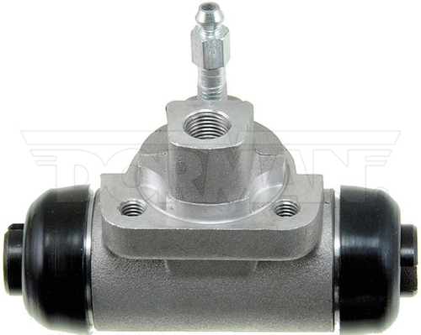 | https://www.dormanproducts.com/p-15216-w37872.aspx?origin=keyword
9 | Wheel Cylinder | W37984 | Dorman - First Stop | Drum Brake Wheel Cylinder | Chrysler 1995-94, Dodge 1995-94, Plymouth 1995-94 | Chrysler Grand Voyager (Mexico) 1994-1995 Chrysler Town and Country 1994-1995 Chrysler Voyager (Mexico) 1994-1995 Dodge Caravan 1994-1995 Dodge Grand Caravan 1994-1995 Plymouth Grand Voyager 1994-1995 Plymouth Voyager 1994-1995 | Chrysler Grand Voyager (Mexico) 1994-1995 Mexico Region Chrysler Town and Country 1994-1995 FWD Chrysler Voyager (Mexico) 1994-1995 Mexico Region Dodge Caravan 1994 4-Wheel ABS; FWD Dodge Caravan 1995 4-Wheel ABS Dodge Grand Caravan 1994-1995 4-Wheel ABS; FWD Plymouth Grand Voyager 1994-1995 4-Wheel ABS; FWD Plymouth Voyager 1994-1995 4-Wheel ABS | 4762404 | 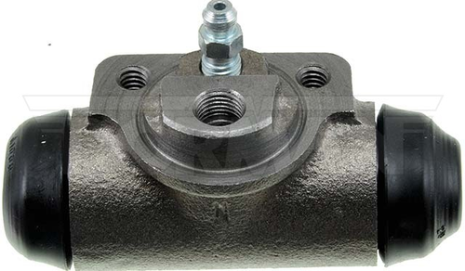 | https://www.dormanproducts.com/p-15277-w37984.aspx?origin=keyword
10 | Wheel Cylinder | W79985 | Dorman - First Stop | Drum Brake Wheel Cylinder | American Motors 1976-70, Ford 1980-72, 1964-60, Mercury 1980-75, 1964-60 | American Motors Gremlin 1970-1976 American Motors Hornet 1970-1976 American Motors Javelin 1971-1973 American Motors Pacer 1975-1976 Ford Falcon 1960-1964 Ford Mustang II 1974-1978 Ford Pinto 1972-1980 Ford Ranchero 1960-1964 Mercury Bobcat 1975-1980 Mercury Comet 1960-1964 Mercury Cyclone 1964 | American Motors Gremlin 1970 L6 199 3.3L; Front Drum Brakes American Motors Gremlin 1971-1976 L6 258 4.2L; Front Drum Brakes American Motors Gremlin 1972-1976 L6 232 3.8L; Front Drum Brakes American Motors Hornet 1970 L6 199 3.3L; Front Drum Brakes American Motors Hornet 1970-1976 L6 232 3.8L; Front Drum Brakes American Motors Hornet 1971-1976 L6 258 4.2L; Front Drum Brakes American Motors Javelin 1971-1973 L6 232 3.8L; Front Drum Brakes American Motors Javelin 1971-1973 L6 258 4.2L (4228cc); Front Drum Brakes American Motors Pacer 1975-1976 Front Disc Brakes American Motors Pacer 1975-1976 Front Drum Brakes Ford Falcon 1960-1962 Ford Falcon 1963-1964 L6 144 2.4L Ford Falcon 1963-1964 L6 170 2.8L Ford Falcon 1964 L6 200 3.3L (3277cc) Ford Mustang II 1974-1978 Ford Pinto 1972-1973 Front Disc Brakes Ford Pinto 1974-1980 Ford Ranchero 1960-1962 Ford Ranchero 1963-1964 L6 144 2.4L (2360cc) Ford Ranchero 1963-1964 L6 170 2.8L (2786cc) Ford Ranchero 1964 L6 200 3.3L (3277cc) Mercury Bobcat 1975-1980 Mercury Comet 1960-1962 Mercury Comet 1963 L6 144 2.4L (2360cc) Mercury Comet 1963-1964 L6 170 2.8L (2786cc) Mercury Comet 1963-1964 L6 200 3.3L (3277cc) Mercury Cyclone 1964 L6 200 3.3L (3277cc) | 5463020;C0DD-2261-D;C3DZ-2261-B;D2FZ-2261-C;J8126710 | 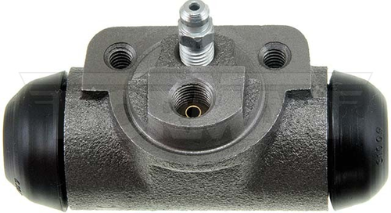 | https://www.dormanproducts.com/p-12090-w79985.aspx?origin=keyword

